Main
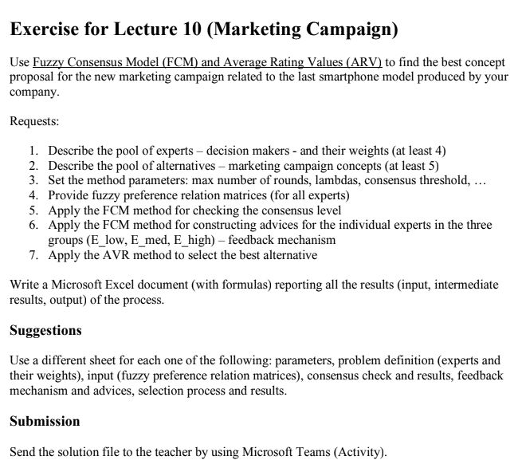

Consensus level | 0.8 | EXPERTS | name | description
Max number of rounds | 3
Lambda1 | 0.35 | Expert1 | Paul | master's degree in economy and marketing
Lambda2 | 0.25
 |  | Expert 2 | Michael | master's degree in social science
Expert weights | Level
Expert 1 | 0.4 | Expert 3 | Claudio | master's degree in finance
expert 2 | 0.3
Expert 3 | 0.25 | Expert4 | William | Ph.d in social media managing
Expert 4 | 0.2

 |  | ALTERNATIVES

 |  | Company |  | relevance of the company

 |  | Collaborators |  | Collaborators are entities that allow or enhance a company to provide its particular good or service in the way that it does.

 |  | Customers |  | The group of potential customers a company can reach with its products or services can be broken down into three main sizes: Total Available Market, Serviceable Available Market, and Target Market.

 |  | Competitors |  | Competition can be found in the form of other companies operating in the same industry as the focal company.

 |  | Context |  | It provides coverage into the areas that may affect a business, but where the business exercises either no or limited control over.

